Test Case Template Example
 | Project Name: | Gastrogood website | Test Designed by: | Madhawa sri nayanajith
 | Module Name: | User | Test Designed date: | 2024-06-20
 | Release Version: |  | Test Executed by:
 |  |  | Test Execution date:

Dependencies:

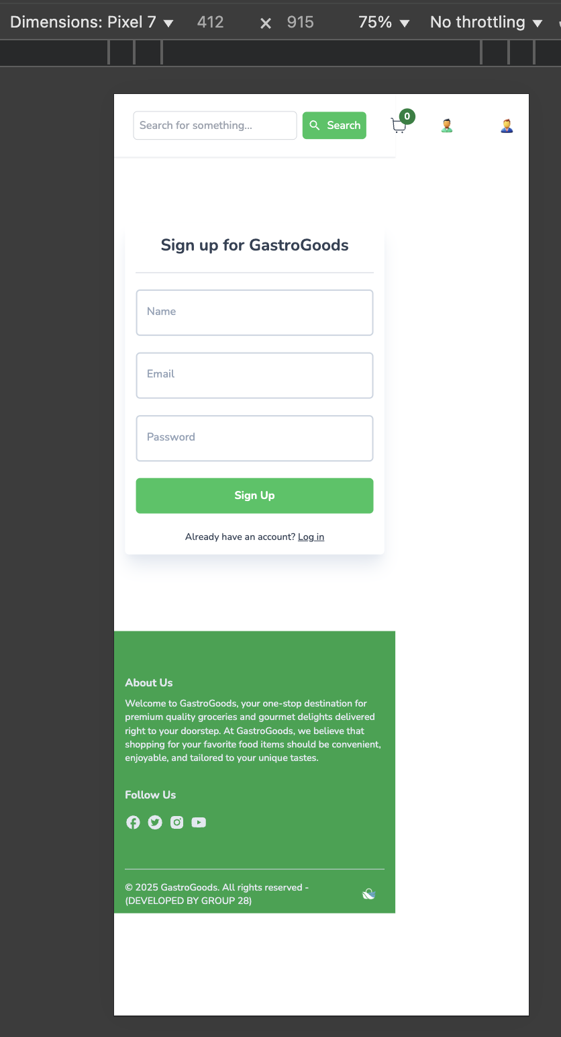
Bug ID | Title | Summary | Steps to reproduce | Environment | Test Data | Expected Result | Actual Result | Serverity | Priority | Attachments | Status | Notes
BID_01 | UI alignment | Check the ui alignment of the website is responsive | 1.Enter the url on the browser | Device - apple macbook pro m2 | https://gastrogoods.netlify.app/ | UI alignment of the | UI alignment of the | High | High |  | Fail | This bug affected in every page
 |  |  | 2.Click the sign up button | Mac os - sequoia 15.4.1 |  | website is responsive | website is not responsive to
 |  |  |  | Browser - google chorme (Version 137.0.7151.41) |  |  | mobile devices
 |  |  |  | Safari - Version 18.4 (20621.1.15.11.10)

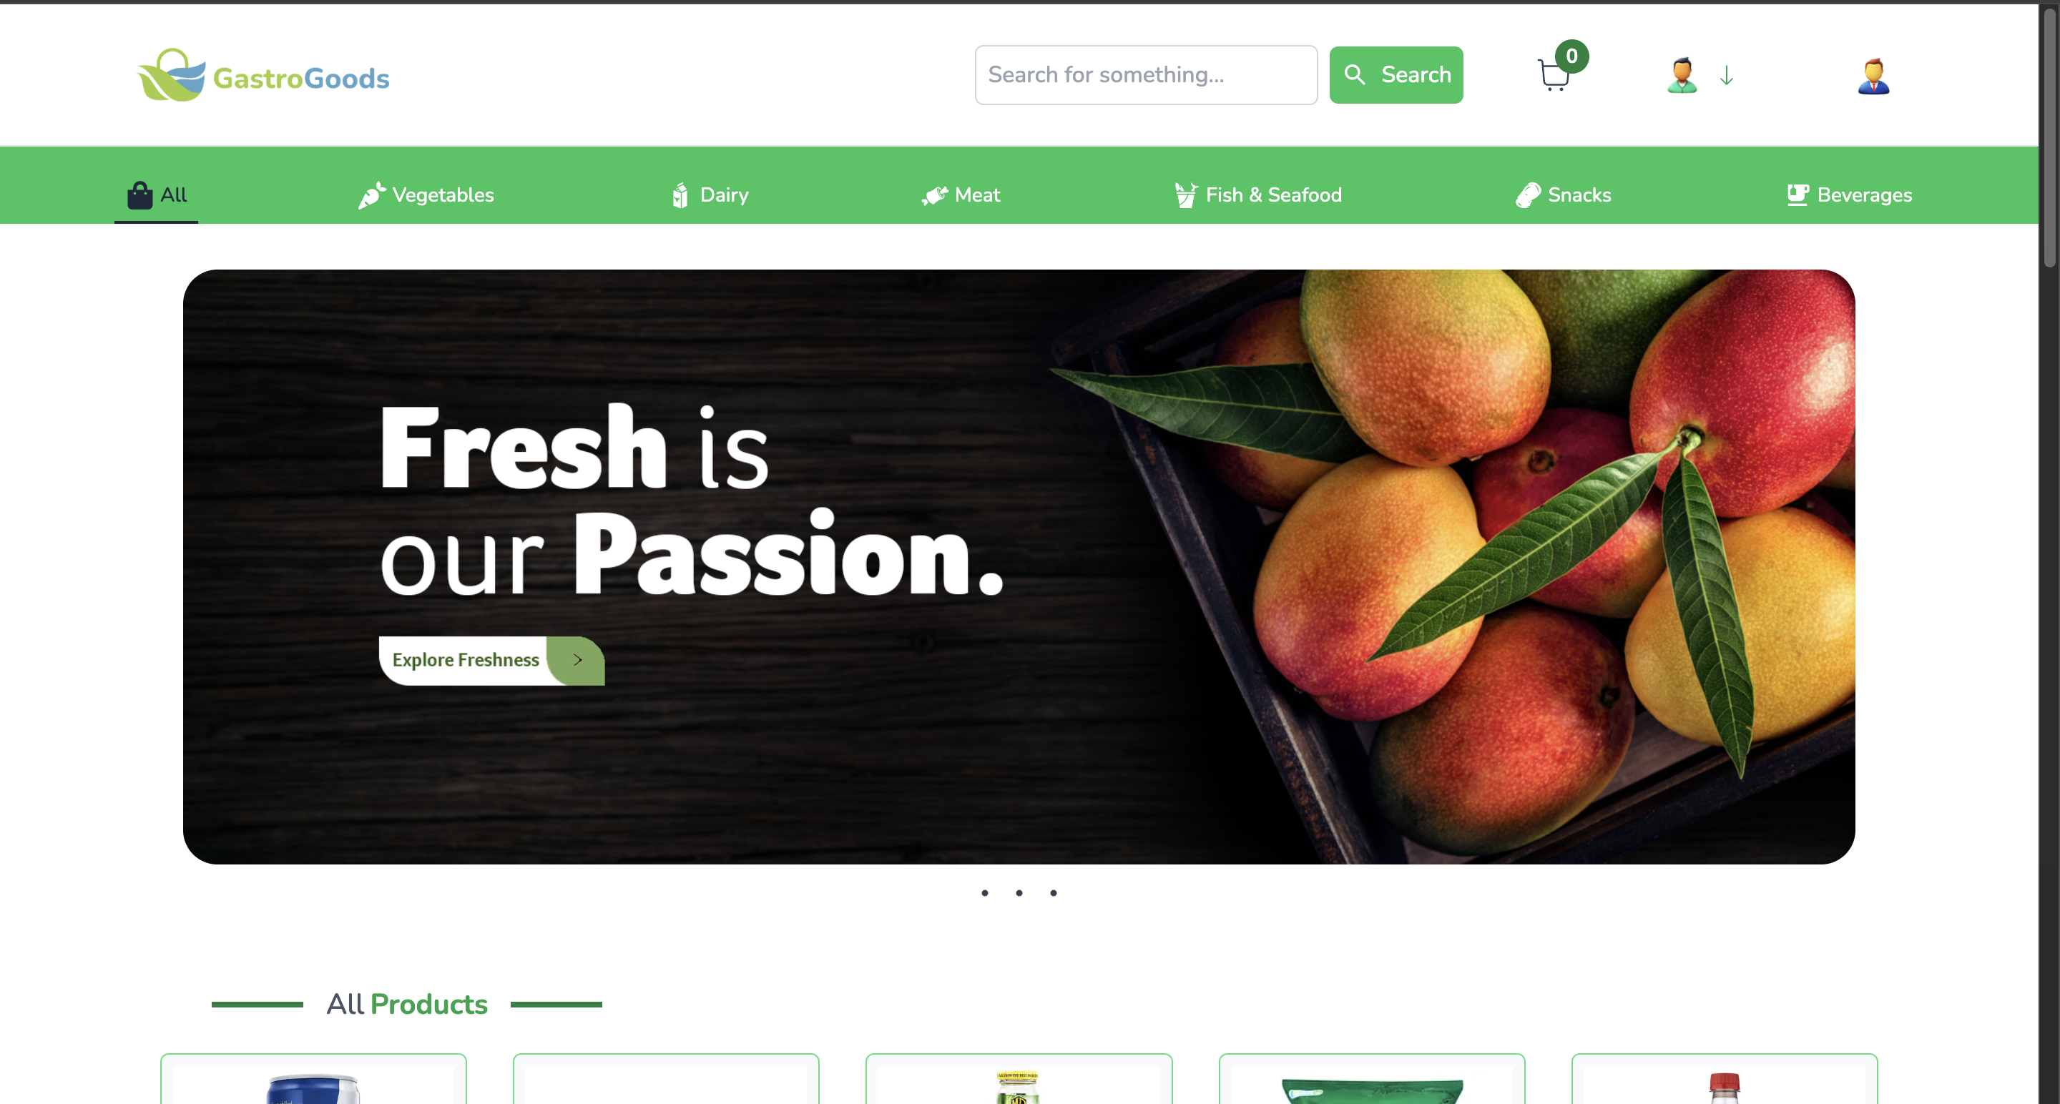
BID_02 | Gastrogood button | Check user click the gastrogood | 1.Click the gastrogood button |  |  | Page is refresh | User redirect to the home page | Medium | High |  | Fail | This bug affected in every page
 |  | button the page will refresh or
 |  | not

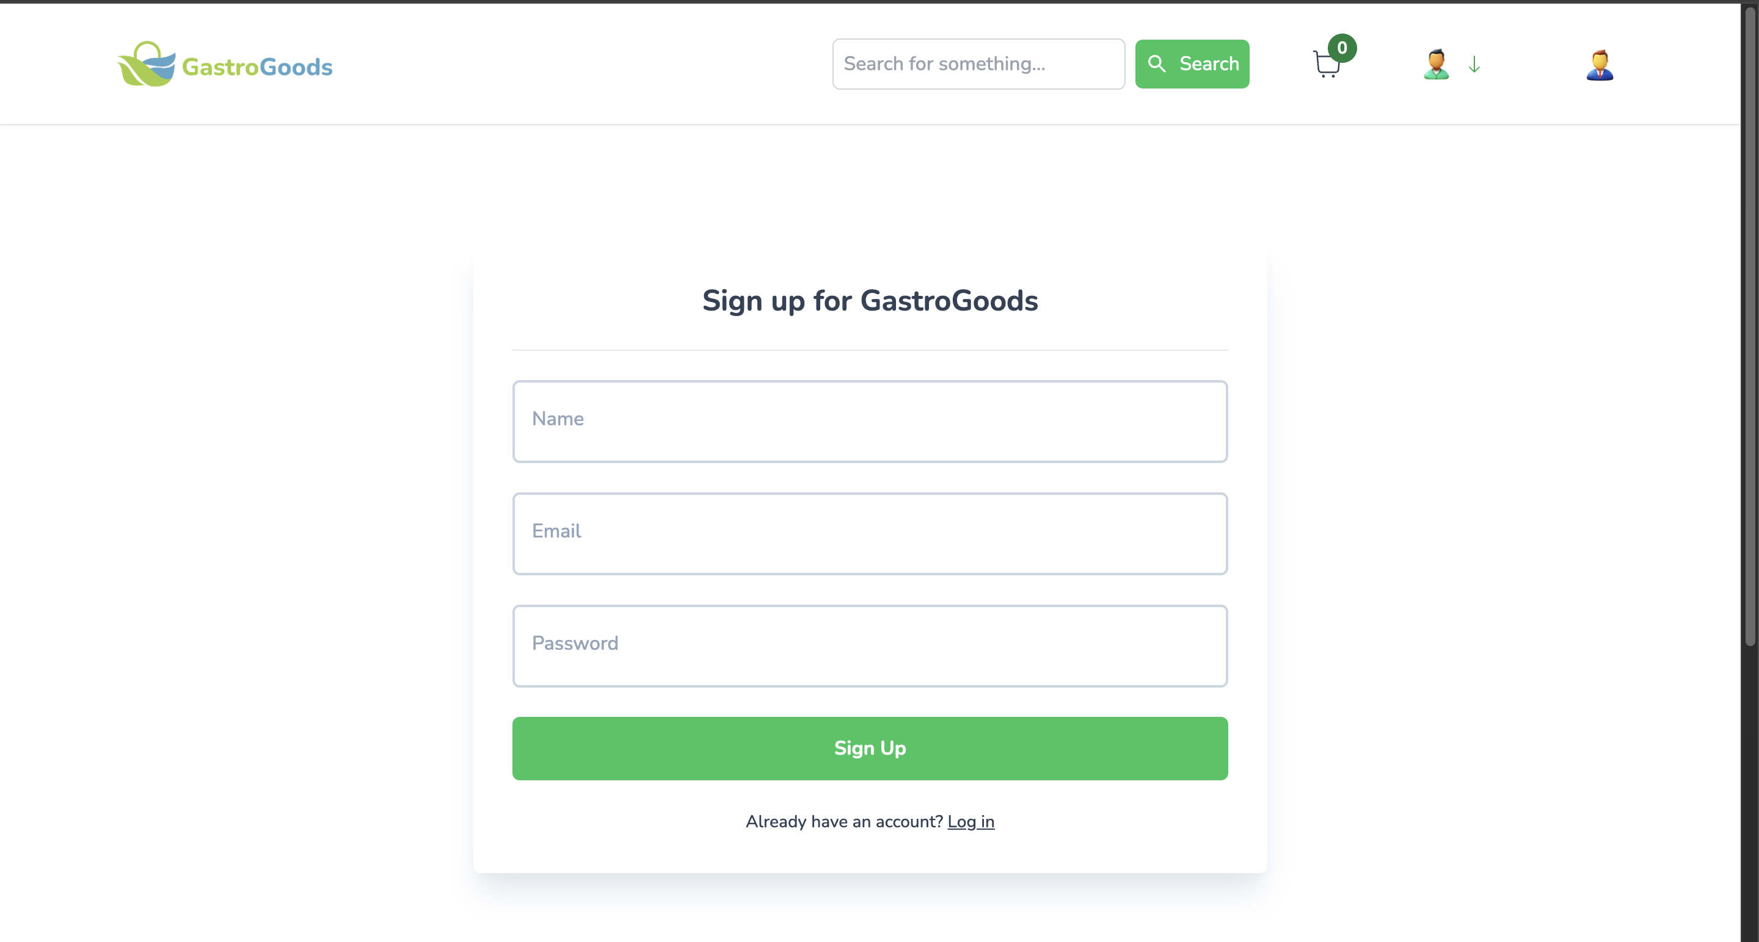
TID_03 | Sign up - Search bar | Check search bar is available | 1.Click the sign up button |  |  | Search bar is not available | Search bar is available . search | Medium | Medium |  | Fail | This bug affected in sign in page,
 |  |  |  |  |  |  | bar is not necessary to add in |  |  |  |  | payement page , view order page
 |  |  |  |  |  |  | sign up page

BID_04 | Sign up - Add to cart button | Check add to cart button is available | 1.Click the sign up button |  |  | Add to cart button is not | Add to cart button is available . | Medium | Medium |  | Fail | This bug affected in sign in page
 |  |  |  |  |  | available | add to cart button is not
 |  |  |  |  |  |  | necessary to add in sign up page

BID_05 | Sign up - User button | Check user button properly works | 1.Click the user button |  |  | User button works | User button works but there are | Medium | High |  | Fail | This bug affected on every page
 |  |  |  |  |  |  | no proper way to identify the
 |  |  |  |  |  |  | user button

BID_06 | Sign up - Admin button | Check user button properly works | 1.Click the user button |  |  | Admin button works | User redirect to the admin page. | High | High |  | Fail | This bug affected on every page
 |  |  |  |  |  |  | There are no proper way to
 |  |  |  |  |  |  | identify the admin button

BID_07 | Sgn up - Show/hide password | Check the show/hide password | 1.Click the sign up button |  |  | Show/hide password | Show/hide password toggle | Medium | High |  | Fail | This bug affected in sign in page
 | toggle button | toggle button available and |  |  |  | toggle button available | button not available
 |  | works

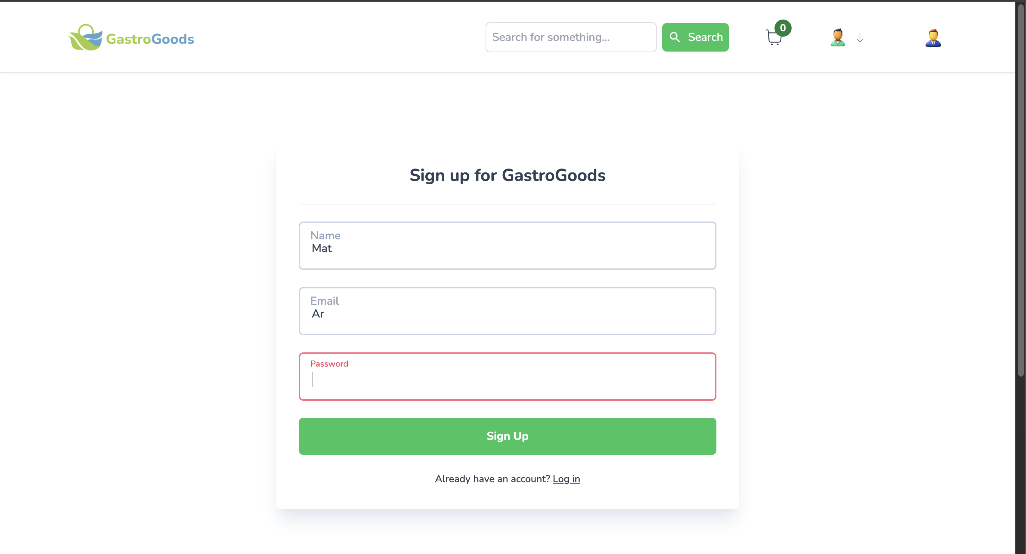
BID_08 | Sign up - Email input field | Check email input field with | 1.Enter the email |  | ar | Error message shows | Error message not shows | High | High |  | Fail
 | with wrong format | wrong format to see there are
 |  | any error messages showing or
 |  | not

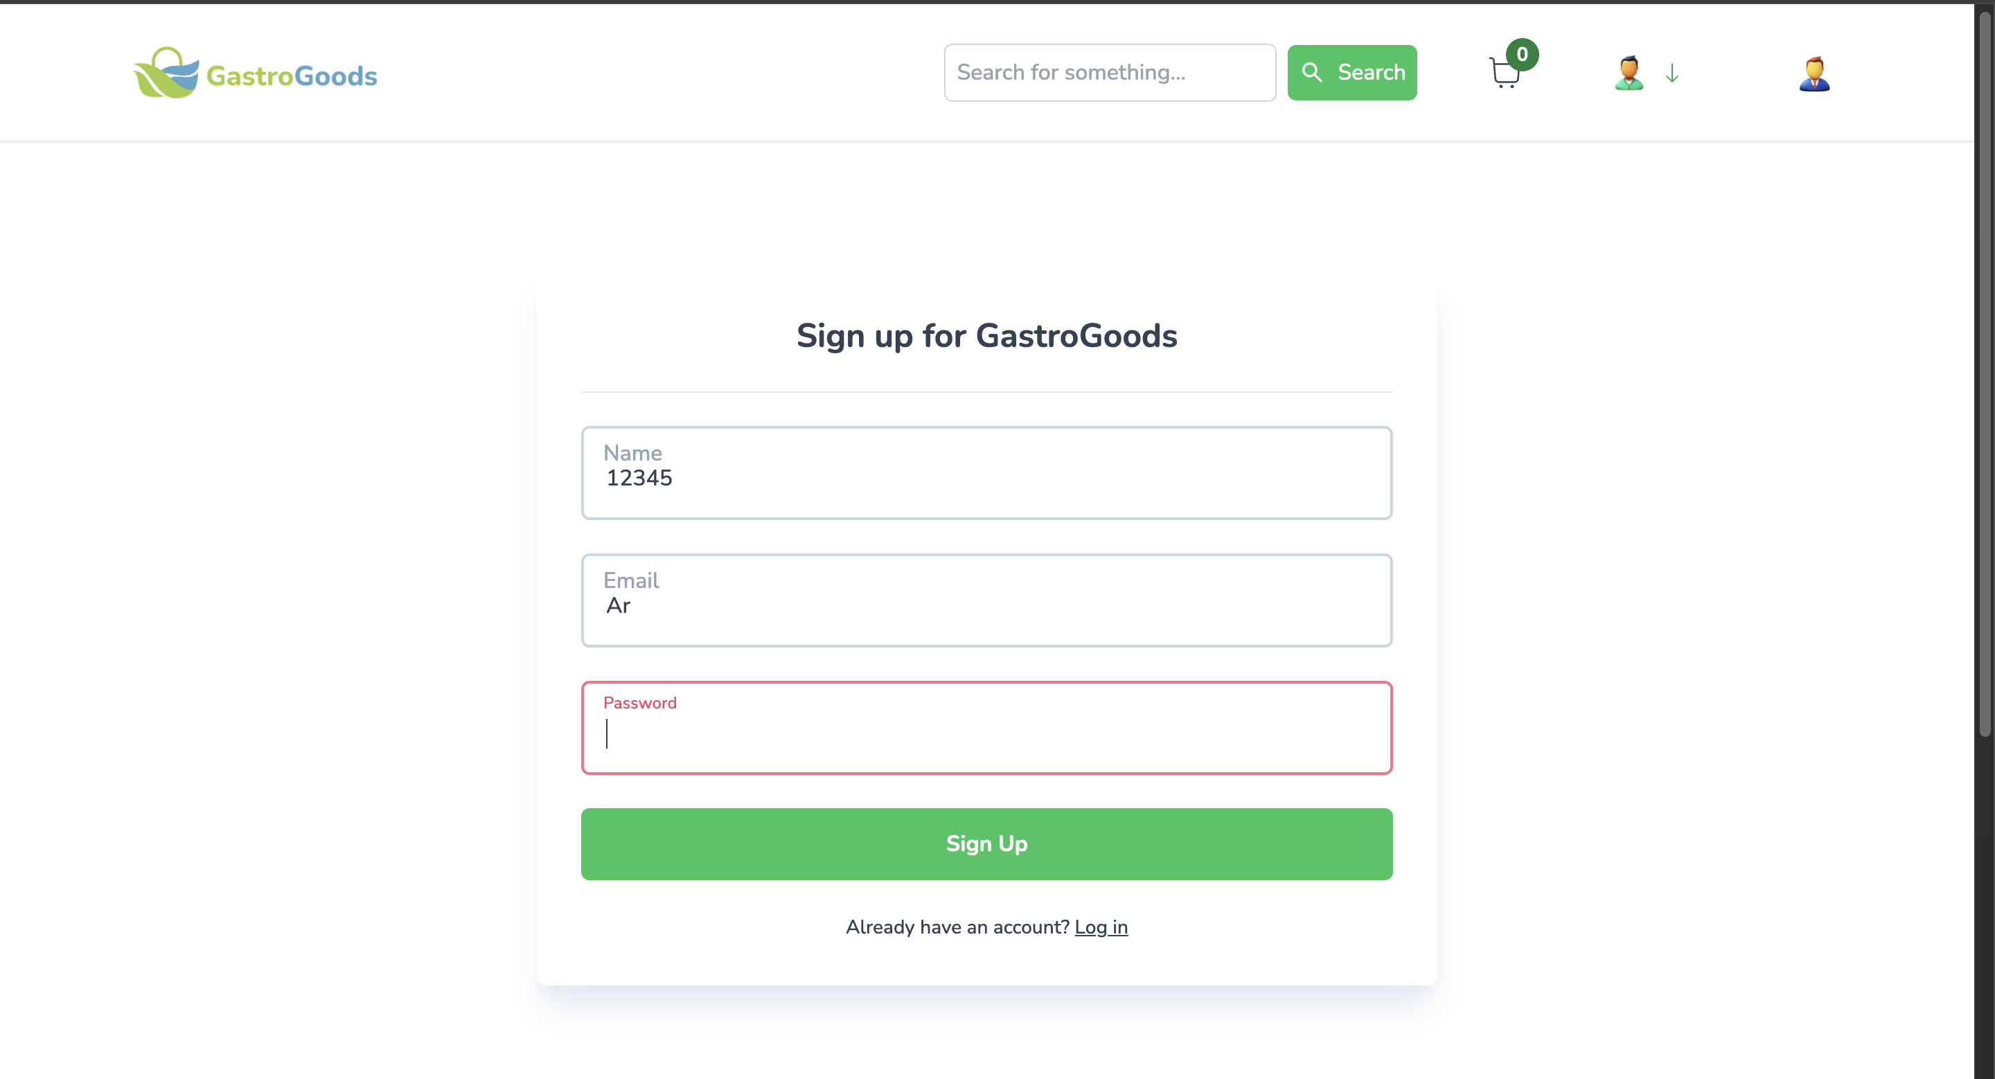
BID_09 | Sign up - Name input field | Check name input field with | 1.Enter the name |  | 12345 | Error message shows | Error message not shows | High | High |  | Fail
 | wrong format | wrong format to see there are
 |  | any error messages showing or
 |  | not


BID_10 | Sign up - Password input field | Check the password input field with | 1.Enter the password |  | 123 | Error message shows | Error message not shows | Medium | High |  | Fail
 | with short password | short password to see there are any
 |  | error message or not

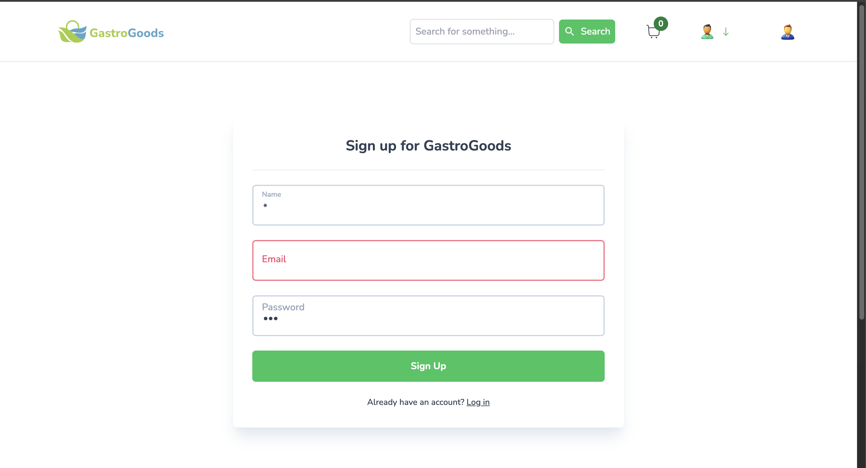
BID_11 | Sign up - Name input field | Check name input field with special | 1.Enter the name |  | * | Error message shows | Error message shows | Medium | Medium |  | Fail
 | with special characters | characters to see there are any error
 |  | messages showing or not

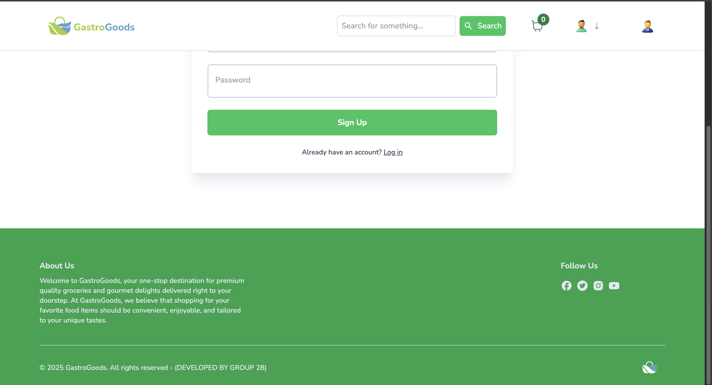
BID_12 | Sign up - Facebook button | Check facebook button properly | 1.Click the button |  |  | User redirect to the facebook | User not redirect to the facebook | Medium | Medium |  | Fail | This bug affected on every page
 |  | works |  |  |  | page | page

BID_13 | Sign up - Twitter button | Check twitter button properly | 1.Click the button |  |  | User redirect to the twitter | User not redirect to the twitter | Medium | Medium |  | Fail | This bug affected on every page
 |  | works |  |  |  | page | page

BID_14 | Sign up - Instergram button | Check instergram button properly | 1.Click the button |  |  | User redirect to the instergram | User not redirect to the instergram | Medium | Medium | FALSE | Fail | This bug affected on every page
 |  | works |  |  |  | page | page

BID_15 | Sign up - You tube button | Check you tube button properly | 1.Click the button |  |  | User redirect to the you tube | User not redirect to the you tube | Medium | Medium |  | Fail | This bug affected on every page
 |  | works |  |  |  | page | page

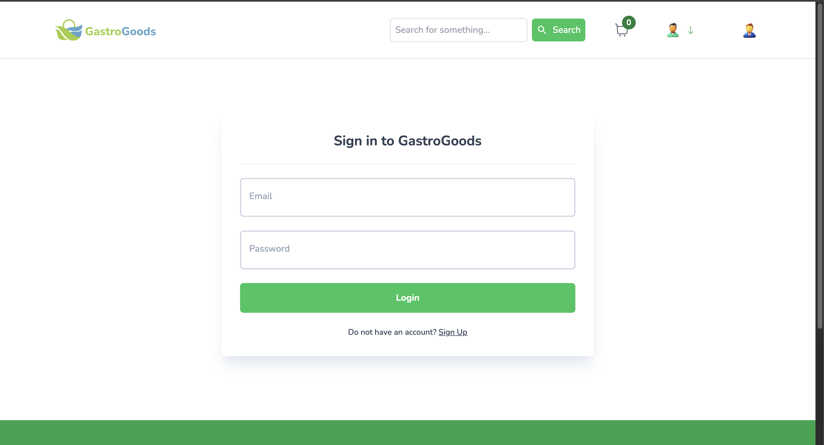
BID_16 | Sign in - Forgot password | Check forgot password feature | 1.Click the log in button |  |  | Forgot password feature is | Forgot password featuure is not | High | High |  | Fail
 | feature | available |  |  |  | available | available

BID_17 | Home page - Admin button | Check admin button available | 1.Sign in to the website |  |  | Admin button not available | Admin button available | High | High |  | Fail | This bug affected on view product page
 |  |  |  |  |  |  |  |  |  |  |  | add to cart page , view order page

BID_18 | Payement page - User button | Check user button available | 1.Go to the home page |  |  | User button is not available | User button is available | Medium | High |  | Fail | This bug affected on view order page
 |  |  | 2.Click view button in a product
 |  |  | 3.Click add to cart
 |  |  | 4.Click add to cart button
 |  |  | 5.Click the checkout button

BID_19 | Payement page - Admin button | Check admin button available | 1.Click the checkout button |  |  | Admin button not available | Admin button available | High | High |  | Fail | This bug affected on view order page

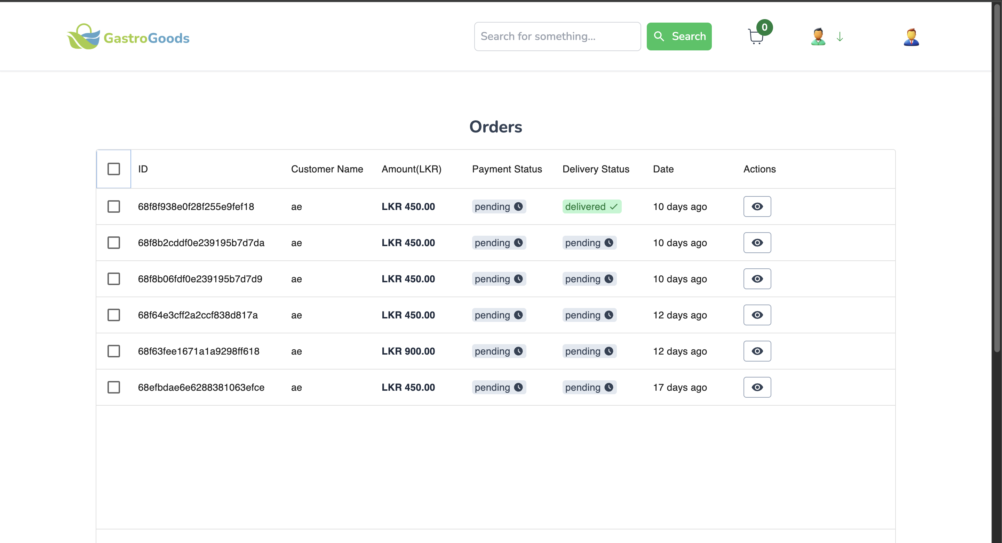
BID_20 | View order page - Multiple Status Display | Verify an order can have different status combinations. | 1. Find an order row with 'Pending' status. |  |  | The row correctly displays both statuses as separate | The user payment by card successfully but payement row status | Medium | Medium |  | Fail
 |  |  | payment status and 'Shipped' delivery |  |  | labels/badges (e.g., 'pending' payment, 'shipped' | is display as pending only
 |  |  |  |  |  | delivery).

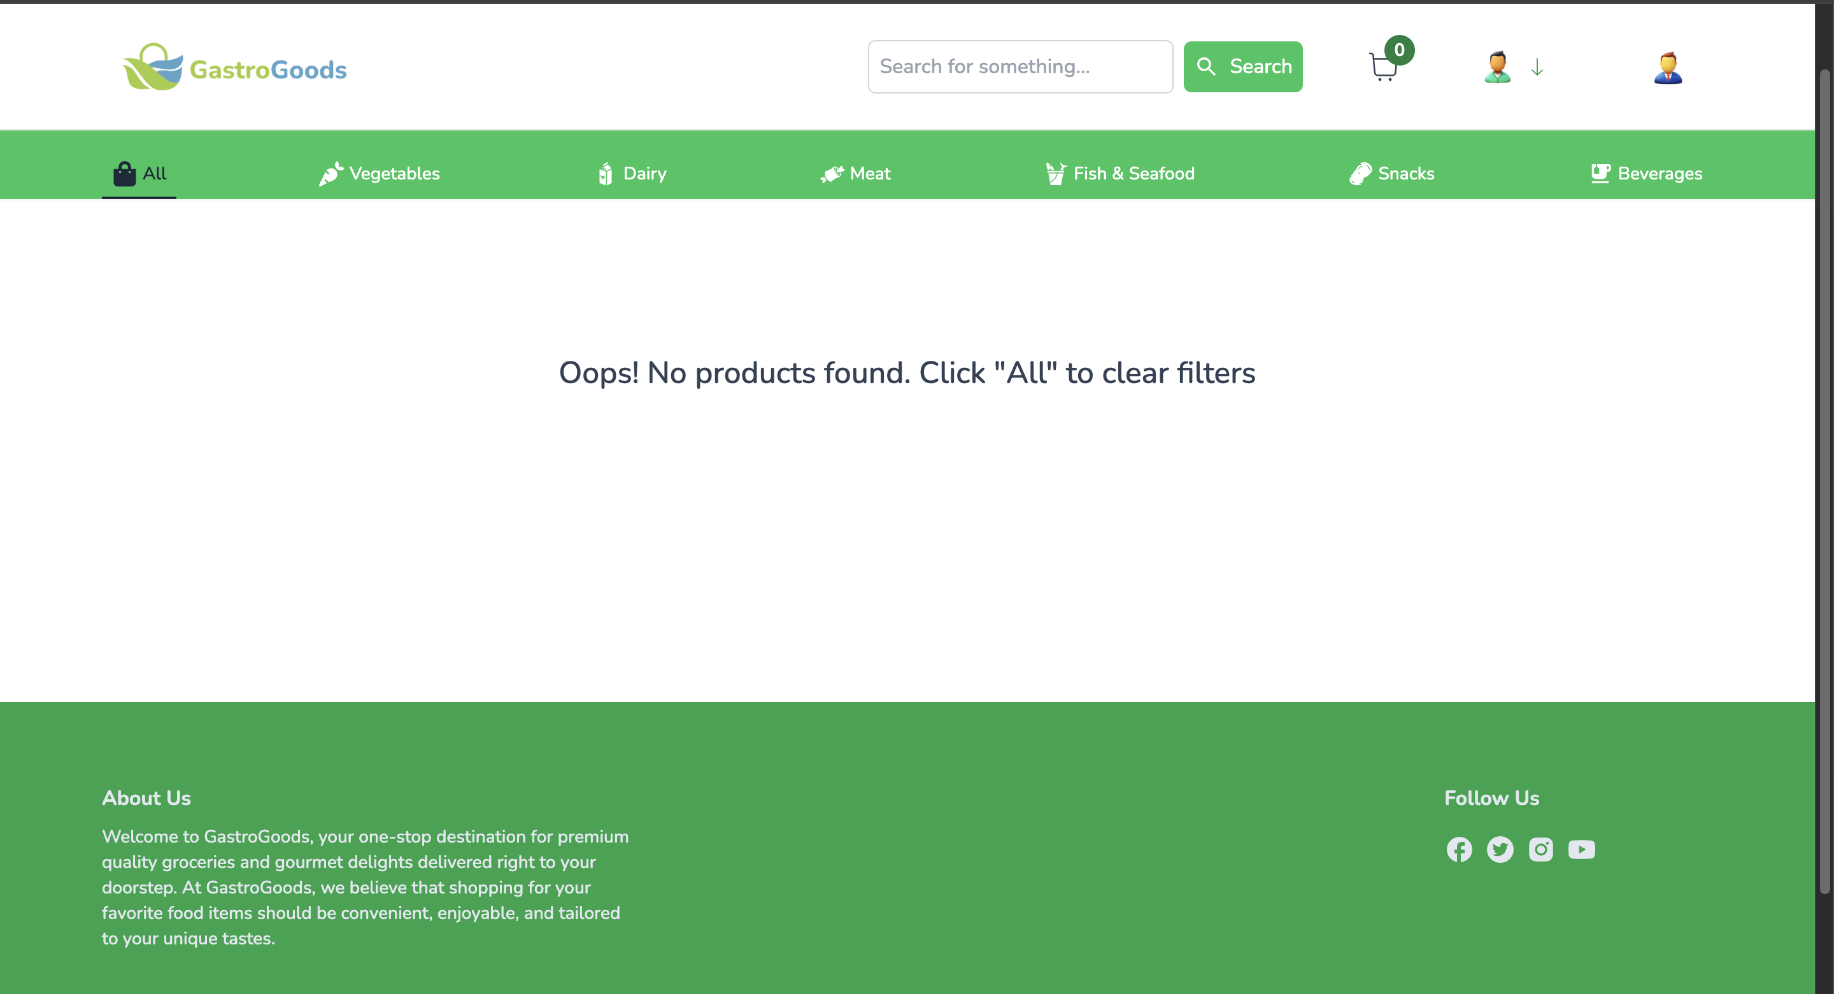
BID_21 | View order page - Search bar | Check search bar is working | 1.Enter the name |  | Ae | Order details showing | Order detail not showing | High | High |  | Fail

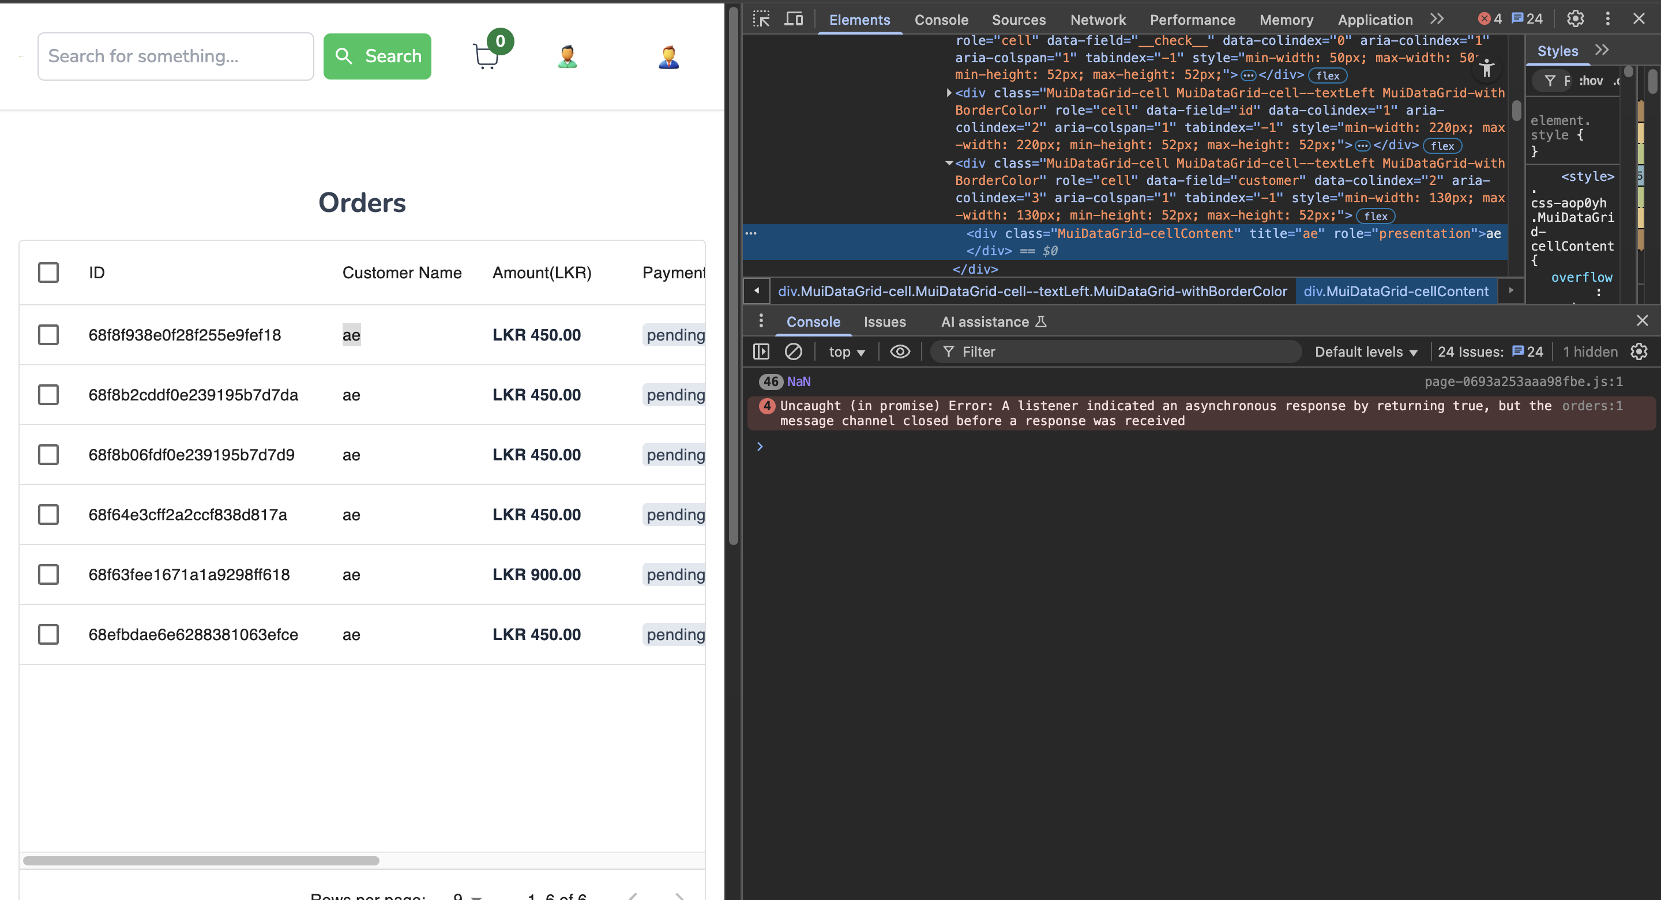
BID_22 | View order page - Security - Data Masking | Verify sensitive data is not unnecessarily exposed on the | 1. View the 'Customer Name' column |  |  | The Full Customer Name is not displayed | The full customer name is displayed in the code | Medium | Low |  | Fail
 |  | main list. | 2. Inspect the data.

